Introduction
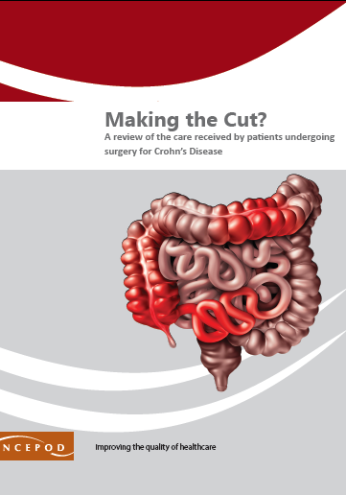

Crohn's Disease
Audit Toolkit

To be completed for adult patients who had a diagnosis of Crohn’s disease who underwent an abdominal surgical procedure. In the NCEPOD study, this was for patients aged 16 years and older, who had a diagnosis of Crohn’s disease (ICD10 codes: K50-50.9) and an elective or emergency admission to hospital for a stay of 48 hours or longer during which time they underwent intestinal surgery (OPCS codes: G58-83 or H01-H6). Exclusion criteria Patients who did not have Crohn’s disease or whose surgery did not relate to their Crohn’s disease.

Thank you for downloading the toolkit for ''Making the Cut?" We hope you find this useful. If you have any feedback, please email us at info@ncepod.org.uk Please could you advise your local audit department if you plan to undertake this audit. It is important that they are made aware of it for the benefit of demonstrating Trust/Health Board activity and also so that they are in a position to support you and endorse the activity for your benefit.
Please complete as many questions which are applicable to the care of the patient.
For information on the recommendation to which each question assesses, please click on the button
This toolkit can be used in conjunction with the Recommendation Checklist. This can be found by clicking on the adjacent report image or this link:
https://www.ncepod.org.uk/2023crohns.html

Summary
Extent to which each recommendation has been met (%)
Recommendation - Sub criteria question number (reference)
1 | 2 | 3 | 4 | 6 | 7 | 9 | RAG system (NCEPOD recommends these are set at the following limits, however these can be adapted by your Trust/Health Board where appropriate by amending the thresholds as required) |  |  | %
5a | 7b | 8 | 9a | 10b | 12 | 13a
5b | 7ci |  | 9b | 10c |  | 13b
5c | 7cii |  | 9c | 10d |  | 13c
5d | 7d |  |  | 10e |  | 13d
5e | 7e |  |  | 11a |  | 13e | Green |  |  | 100
5f | 7f |  |  | 11b |  | 13f | Amber |  |  | 50-99
5g | 7g |  |  | 11c |  | 13g | Red |  |  | 0-49
5h |  |  |  | 11d |  | 13h
5i
5j
5k |  |  |  |  | Sub criteria scoring and average per Recommendation below
5l |  | (the chart will only populate once all questions for a particular Recommendation have been answered in the Audit Tool worksheet)
6a
6b
Recommendation - Sub criteria questions (score) |  |  |  |  |  |  | Average % of recommendation
1 | 2 | 3 | 4 | 6 | 7 | 9 | 1 | 2 | 3 | 4 | 6 | 7 | 9
No data | No data | No data | No data | No data | No data | No data | No data | No data | No data | No data | No data | No data | No data
No data | No data |  | No data | No data |  | No data
No data | No data |  | No data | No data |  | No data
No data | No data |  |  | No data |  | No data
No data | No data |  |  | No data |  | No data
No data | No data |  |  | No data |  | No data
No data | No data |  |  | No data |  | No data
No data |  |  |  | No data |  | No data
No data
No data
No data
No data
No data
No data

